PowerPart
Расчет boost конвертера на LT8490
автор: Тихонов Е.Н.
2020-02-18

GENERAL

Vin(min)= | 7.81 | V | //от солнечной панели
Vin(max)= | 15 | V | //от источника питания, nom = 12V
Iin(max)= | 8.5 | A | //ток в рабочей точке панели
Vout(min)= | 48.1 | V | //nominal voltage 3.7V*13cells
Vout(max)= | 54.6 | V | //full charge 4.2V*13cells
Iout(max)= | 1 | A | //max ток зарядки
f= | 350 | kHz
TA(MAX)= | 40 | °C | //max ambient temp

MOSFET | //BSC110N15NS5 Infenion

TJ(MAX)= | 150 | °C | //max junction temp
RthJA= | 50 | °C/W | //6 cm2 cooling area
Rds(on)= | 12.5 | mOhm | //<10A

CALCULATIONS

RT Selection:

Rt= | 124 | kOhm | //215kOhm@202kHz

RSENSE Selection:

DC(maxM3Boost)= | 85.695970696 | %

VRSENSE(MAX,BOOST,MAX)= | 80 | mV | //from the Maximum Inductor Current Sense Voltage vs Duty Cycle graph

estimate the maximum and minimum inductor current
ripple in the boost and buck regions respectively

ΔIL(MAX,BOOST)= | 3.4955185659 | A

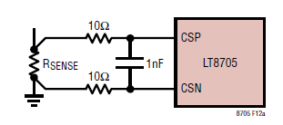
calculate the maximum RSENSE

Rense(max,boost)= | 9.1545787546 | mOhm

Adding an additional 30% margin

Rense(max,boost)= | 11.900952381 | mOhm
 | 12 | mOhm

Inductor Selection

L(MIN1,BOOST) ≅ | -0.035558639443 | uH

To avoid subharmonic oscillations in the inductor current, choose the minimum inductance according to:

L(MIN2,BOOST) ≅ | -1.9235959454 | uH

Берем с запасом
L(MIN1,BOOST) ≅ | 33 | uH | //input 7.8V - 15V

calculate the maximum MOSFET power dissipation

PD(MAX) = | 2.2 | W

Select M1
conduction looses
PI2R ≅ | 0.91639875336 | W

//ρτ is a normalization factor=1.5

Pswitching= | 0.05467 | W

tRF1 is the average of the SW1 pin rise and fall times
Typical values are 20ns to 40ns

The maximum dissipation M1
Pm1= | 0.97106875336 | W

Select M3
conduction looses
PI2R= | 0.78531680714 | W

Pswitching= | 0.0002609349992 | W

Pm3= | 0.78557774214 | W

tRF2 is the average of the SW2 pin rise and fall times and,
similar to tRF1, is typically 20ns to 40ns.

Select M4

P(M4,BOOST)= | 0.13108194622 | W

MOSFET TEMPERATURE

Tjm1= | 88.553437668 | °C | //junction temperature
Tjm3= | 79.278887107 | °C
Tjm4= | 46.554097311 | °C

Output Voltage:
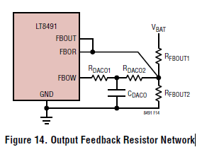
Select RFBOUT2

RFBOUT2= | 20 | k | //из таблицы

RFBOUT1= | 1096.4920231 | k
RFBOUT1= | 1.1 | M

RDACO2= | 115 | k | //берем из таблицы
RDACO1= | 22.6 | k | //берем из таблицы
CDACO= | 100 | nF | //берем из таблицы

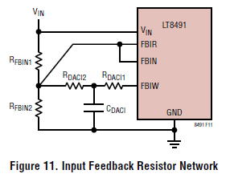
Input Feedback Resistor Network
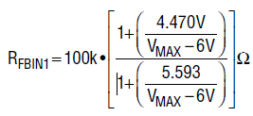

Rfbin1= | 92.304529569 | k
 | 92 | k

Rdaci2= | 28.111111111 | k
 | 28

Rfbin2= | 11.2 | k

Rdaci1= | 5.6 | k

Cdaci= | 0.17857142857 | mkF
 | 0.47 | mkF
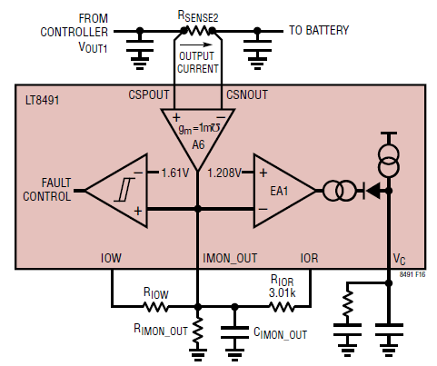
HW Config: Output Current Sense and Limit

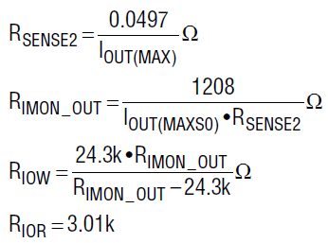
R_SENSE2= | 49.7 | mOhm
 | 50 | mOhm

R_IMON_OUT= | 96.64 | k
 | 97.6 | k

R_IOW= | 32.35579809 | k
 | 32.4 | k

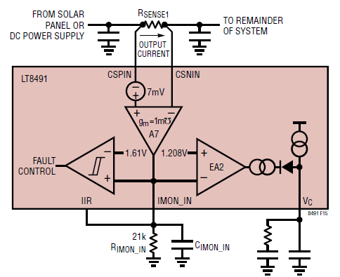
The input current limit

R_SENSE1= | 4.5701357466 | mOhm
 | 5 | mOhm

